Data Aug Details
Speaker | Layer Frozen | Training Loss Graph | Training Accuracy Graph | Accuracy | % Change from Normal

F05 | Augmented_F05_D3 | 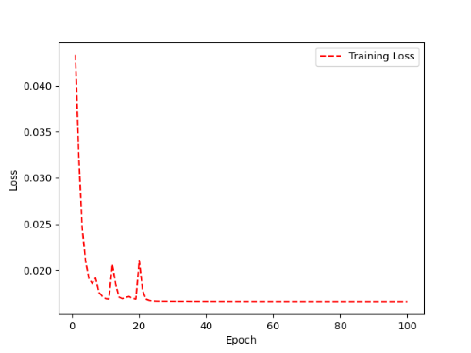 | 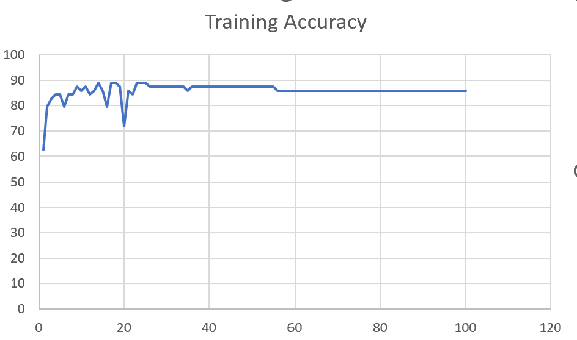 | 93 | 2

 | Augmented_F05_TE | 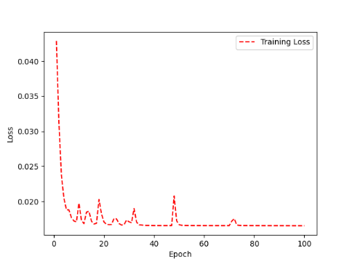 | 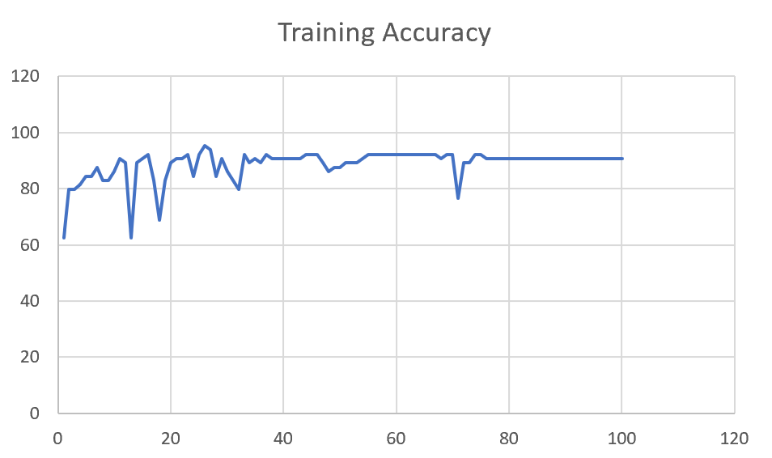 | 93 | 3

M08 | Augmented_M08_T3+D123 | 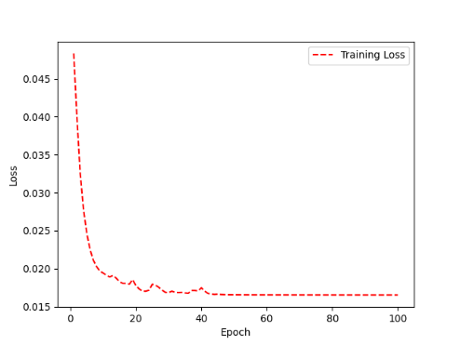 | 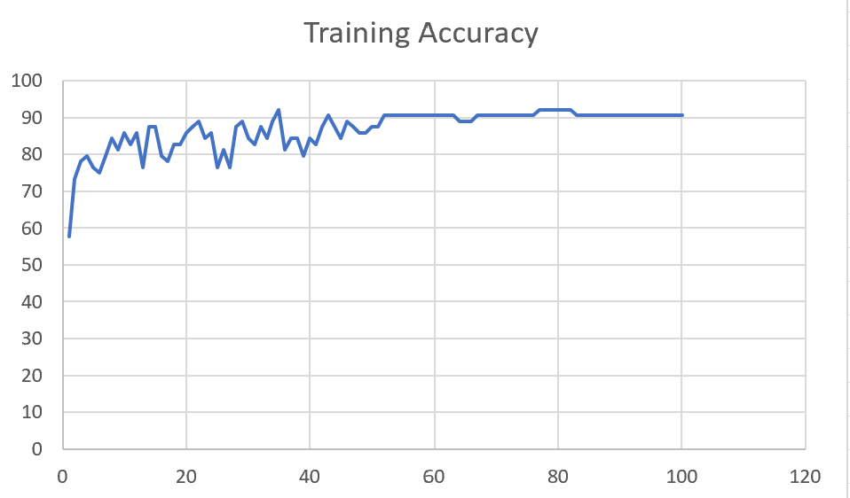 | 88 | 4

 | Augmented_M08_T3+D12 | 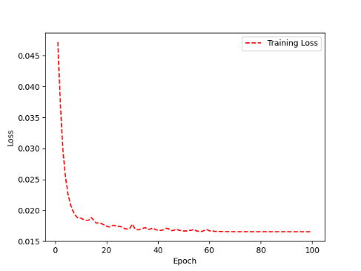 | 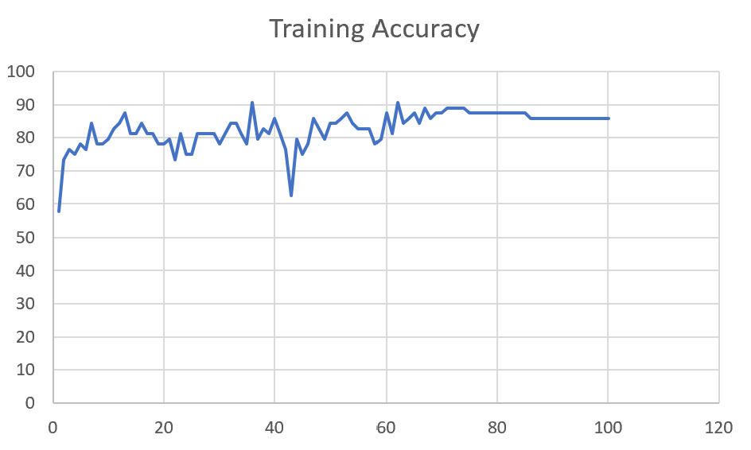 | 88 | 6

M10 | Augmented_M10_T3+D1

 | Augmented_M10_E1

M14 | Augmented_M14_D3

 | Augmented_M14_T3+D1

M09 | Augmented_M09_D3

 | Augmented_M09_TE

Sheet1
 |  |  | Training Accuracy
0 | 0.421875 | 1 | 57.8125
1 | 0.265625 | 2 | 73.4375
2 | 0.234375 | 3 | 76.5625
3 | 0.25 | 4 | 75
4 | 0.21875 | 5 | 78.125
5 | 0.234375 | 6 | 76.5625
6 | 0.15625 | 7 | 84.375
7 | 0.21875 | 8 | 78.125
8 | 0.21875 | 9 | 78.125
9 | 0.203125 | 10 | 79.6875
10 | 0.171875 | 11 | 82.8125
11 | 0.15625 | 12 | 84.375
12 | 0.125 | 13 | 87.5
13 | 0.1875 | 14 | 81.25
14 | 0.1875 | 15 | 81.25
15 | 0.15625 | 16 | 84.375
16 | 0.1875 | 17 | 81.25
17 | 0.1875 | 18 | 81.25
18 | 0.21875 | 19 | 78.125
19 | 0.21875 | 20 | 78.125
20 | 0.203125 | 21 | 79.6875
21 | 0.265625 | 22 | 73.4375
22 | 0.1875 | 23 | 81.25
23 | 0.25 | 24 | 75
24 | 0.25 | 25 | 75
25 | 0.1875 | 26 | 81.25
26 | 0.1875 | 27 | 81.25
27 | 0.1875 | 28 | 81.25
28 | 0.1875 | 29 | 81.25
29 | 0.21875 | 30 | 78.125
30 | 0.1875 | 31 | 81.25
31 | 0.15625 | 32 | 84.375
32 | 0.15625 | 33 | 84.375
33 | 0.1875 | 34 | 81.25
34 | 0.21875 | 35 | 78.125
35 | 0.09375 | 36 | 90.625
36 | 0.203125 | 37 | 79.6875
37 | 0.171875 | 38 | 82.8125
38 | 0.1875 | 39 | 81.25
39 | 0.140625 | 40 | 85.9375
40 | 0.1875 | 41 | 81.25
41 | 0.234375 | 42 | 76.5625
42 | 0.375 | 43 | 62.5
43 | 0.203125 | 44 | 79.6875
44 | 0.25 | 45 | 75
45 | 0.21875 | 46 | 78.125
46 | 0.140625 | 47 | 85.9375
47 | 0.171875 | 48 | 82.8125
48 | 0.203125 | 49 | 79.6875
49 | 0.15625 | 50 | 84.375
50 | 0.15625 | 51 | 84.375
51 | 0.140625 | 52 | 85.9375
52 | 0.125 | 53 | 87.5
53 | 0.15625 | 54 | 84.375
54 | 0.171875 | 55 | 82.8125
55 | 0.171875 | 56 | 82.8125
56 | 0.171875 | 57 | 82.8125
57 | 0.21875 | 58 | 78.125
58 | 0.203125 | 59 | 79.6875
59 | 0.125 | 60 | 87.5
60 | 0.1875 | 61 | 81.25
61 | 0.09375 | 62 | 90.625
62 | 0.15625 | 63 | 84.375
63 | 0.140625 | 64 | 85.9375
64 | 0.125 | 65 | 87.5
65 | 0.15625 | 66 | 84.375
66 | 0.109375 | 67 | 89.0625
67 | 0.140625 | 68 | 85.9375
68 | 0.125 | 69 | 87.5
69 | 0.125 | 70 | 87.5
70 | 0.109375 | 71 | 89.0625
71 | 0.109375 | 72 | 89.0625
72 | 0.109375 | 73 | 89.0625
73 | 0.109375 | 74 | 89.0625
74 | 0.125 | 75 | 87.5
75 | 0.125 | 76 | 87.5
76 | 0.125 | 77 | 87.5
77 | 0.125 | 78 | 87.5
78 | 0.125 | 79 | 87.5
79 | 0.125 | 80 | 87.5
80 | 0.125 | 81 | 87.5
81 | 0.125 | 82 | 87.5
82 | 0.125 | 83 | 87.5
83 | 0.125 | 84 | 87.5
84 | 0.125 | 85 | 87.5
85 | 0.140625 | 86 | 85.9375
86 | 0.140625 | 87 | 85.9375
87 | 0.140625 | 88 | 85.9375
88 | 0.140625 | 89 | 85.9375
89 | 0.140625 | 90 | 85.9375
90 | 0.140625 | 91 | 85.9375
91 | 0.140625 | 92 | 85.9375
92 | 0.140625 | 93 | 85.9375
93 | 0.140625 | 94 | 85.9375
94 | 0.140625 | 95 | 85.9375
95 | 0.140625 | 96 | 85.9375
96 | 0.140625 | 97 | 85.9375
97 | 0.140625 | 98 | 85.9375
98 | 0.140625 | 99 | 85.9375
99 | 0.140625 | 100 | 85.9375
<__main__.DisplayOutputs object at 0x7f51e0dfeca0> | 0.140625 | #VALUE! | 85.9375
<__main__.DisplayOutputs object at 0x7f51e0dfeca0> | 0.171875 | #VALUE! | 82.8125
<__main__.DisplayOutputs object at 0x7f51e0dfeca0> | 0.1875 | #VALUE! | 81.25
<__main__.DisplayOutputs object at 0x7f51e0dfeca0> | 0.109375 | #VALUE! | 89.0625
<__main__.DisplayOutputs object at 0x7f51e0dfeca0> | 0.140625 | #VALUE! | 85.9375
<__main__.DisplayOutputs object at 0x7f51e0dfeca0> | 0.078125 | #VALUE! | 92.1875
<__main__.DisplayOutputs object at 0x7f51e0dfeca0> | 0.15625 | #VALUE! | 84.375
<__main__.DisplayOutputs object at 0x7f51e0dfeca0> | 0.03125 | #VALUE! | 96.875
<__main__.DisplayOutputs object at 0x7f51e0dfeca0> | 0.109375 | #VALUE! | 89.0625
<__main__.DisplayOutputs object at 0x7f51e0dfeca0> | 0.109375 | #VALUE! | 89.0625
<__main__.DisplayOutputs object at 0x7f51e0dfeca0> | 0.078125 | #VALUE! | 92.1875
<__main__.DisplayOutputs object at 0x7f51e0dfeca0> | 0.140625 | #VALUE! | 85.9375
<__main__.DisplayOutputs object at 0x7f51e0dfeca0> | 0.09375 | #VALUE! | 90.625
<__main__.DisplayOutputs object at 0x7f51e0dfeca0> | 0.140625 | #VALUE! | 85.9375
<__main__.DisplayOutputs object at 0x7f51e0dfeca0> | 0.09375 | #VALUE! | 90.625
<__main__.DisplayOutputs object at 0x7f51e0dfeca0> | 0.125 | #VALUE! | 87.5
<__main__.DisplayOutputs object at 0x7f51e0dfeca0> | 0.13114754098 | #VALUE! | 86.885245902
<__main__.DisplayOutputs object at 0x7fcfe04bb910> | 0.640625
<__main__.DisplayOutputs object at 0x7fcfe04bb910> | 0.50819672131

